Dashboard
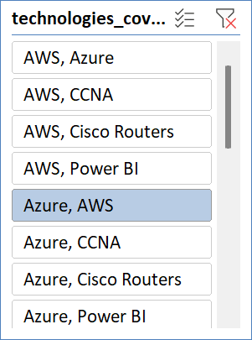
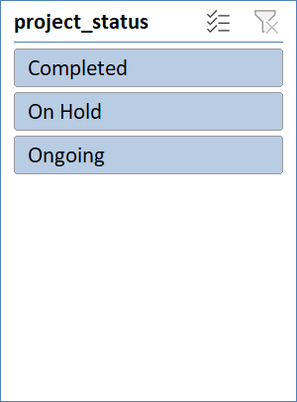
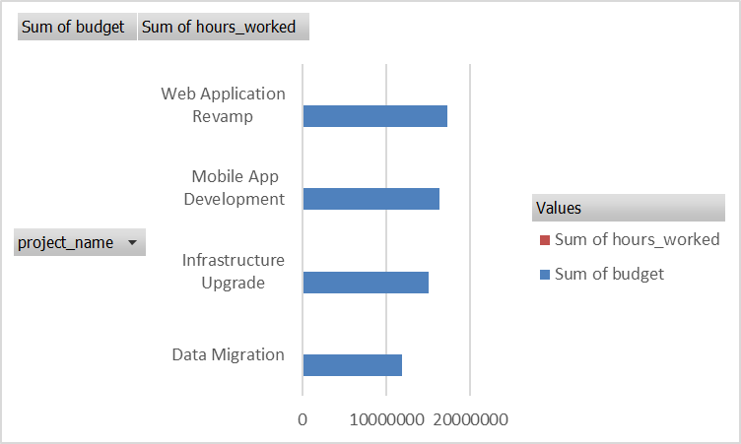
 | Sum of days_present | Sum of late_check_ins
Aaina Bumb | 21 | 2
Aarav Tak | 17 | 0
Aarna Arora | 24 | 0
Aarush Bhasin | 16 | 2
Aarush Dhar | 21 | 2
Aarush Mandal | 19 | 0
Aaryahi Devan | 24 | 1
Adira Walia | 16 | 2
Advika Choudhary | 23 | 0
Akarsh Chada | 25 | 1
Alia Hayre | 18 | 1
Alisha Bora | 25 | 1
Alisha Konda | 22 | 0
Amani Soni | 17 | 0
Anahita Bakshi | 25 | 2
Anika Subramaniam | 22 | 0
Anvi Jayaraman | 24 | 1
Anya Dhar | 25 | 1
Aradhya Varty | 15 | 0
Armaan Baria | 17 | 1
Ayesha Chauhan | 19 | 2
Badal Khanna | 16 | 1
Baiju Sastry | 25 | 1
Bhamini Sule | 18 | 1
Bhavin Hari | 25 | 2
Biju Sankaran | 18 | 0
Charvi Golla | 15 | 0
Charvi Mander | 23 | 1
Devansh Loyal | 21 | 2
Dhanuk Thakkar | 22 | 0
Dharmajan Lal | 19 | 0
Dharmajan Sekhon | 18 | 2
Divit Wadhwa | 25 | 2
Drishya Mane | 24 | 2
Drishya Tank | 20 | 2
Ehsaan Som | 22 | 2
Ela Thakkar | 19 | 0
Elakshi Tailor | 16 | 2
Eva Bhandari | 21 | 2
Farhan Walla | 20 | 1
Hansh Das | 20 | 2
Hiran Baral | 23 | 2
Hiran Sidhu | 98 | 4
Hridaan Divan | 25 | 1
Hridaan Master | 16 | 1
Hrishita Kant | 17 | 1
Inaaya Sankar | 17 | 2
Indrajit Chander | 24 | 0
Indranil Kant | 21 | 2
Indrans Reddy | 16 | 2
...
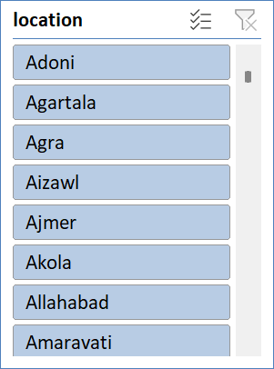
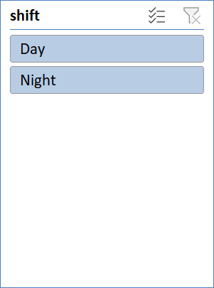

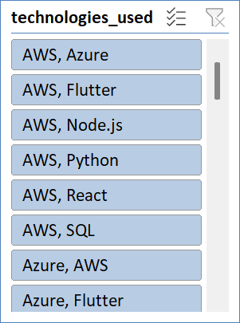

 | Sum of total_hours | Sum of days_absent
Zoya Badal | 8 | 0
Zara Sem | 9 | 4
Zaina Venkataraman | 7 | 4
Zain Karan | 6 | 2
Yuvaan Chand | 7 | 1
Yashvi Ramakrishnan | 7 | 3
Yashvi Brahmbhatt | 7 | 0
Vritika Sachdev | 8 | 3
Vivaan Shukla | 8 | 1
Vihaan Ganguly | 9 | 3
Vedika Ratti | 39 | 15
Vardaniya Basak | 10 | 1
Vanya Saha | 7 | 5
Vaibhav Sidhu | 43 | 16
Vaibhav Sathe | 7 | 4
Vaibhav Devi | 38 | 10
Uthkarsh Cherian | 8 | 2
Umang Choudhry | 6 | 2
Tushar Dalal | 9 | 4
Trisha Kalita | 9 | 2
Trisha Bhat | 10 | 5
Tiya Chaudry | 6 | 3
Tanya Doctor | 41 | 18
Stuvan Dixit | 10 | 0
Siya Dhingra | 9 | 2
Shray Chauhan | 6 | 1
Shamik Wali | 6 | 0
Shamik Bhardwaj | 10 | 2
Shaan Varkey | 7 | 2
Seher Kara | 6 | 0
Seher Hari | 6 | 0
Sara Vohra | 7 | 5
Sara Sibal | 7 | 5
Sara Kumar | 9 | 3
Saksham Karpe | 9 | 3
Saira Loyal | 42 | 9
Sahil Thaman | 9 | 1
Sahil Srinivas | 38 | 5
Ryan Tata | 7 | 5
Ryan Mani | 7 | 4
Ryan Gill | 9 | 3
Romil Mann | 8 | 4
Rohan Anand | 7 | 3
Ritvik Mandal | 10 | 3
Riaan Kunda | 38 | 9
Rhea Kothari | 7 | 3
Rhea Kala | 10 | 3
Raunak Sarin | 7 | 4
Rasha Sama | 10 | 5
Rasha Boase | 7 | 0
...
Sum of feedback_score
 | Sum of feedback_score | Count of technologies_covered
DPT001 | 12.9 | 3
DPT002 | 3.2 | 1
DPT003 | 13 | 4
DPT004 | 11.7 | 3

Project_Pvt
Row Labels | Sum of budget | Sum of hours_worked
Data Migration | 11871759 | 4426
Infrastructure Upgrade | 15104103 | 5935
Mobile App Development | 16391316 | 6880
Web Application Revamp | 17330448 | 7058
Grand Total | 60697626 | 24299

Attendance_pvt
Row Labels | Sum of days_present | Sum of late_check_ins
Aaina Bumb | 21 | 2
Aarav Tak | 17 | 0
Aarna Arora | 24 | 0
Aarush Bhasin | 16 | 2
Aarush Dhar | 21 | 2
Aarush Mandal | 19 | 0
Aaryahi Devan | 24 | 1
Adira Walia | 16 | 2
Advika Choudhary | 23 | 0
Akarsh Chada | 25 | 1
Alia Hayre | 18 | 1
Alisha Bora | 25 | 1
Alisha Konda | 22 | 0
Amani Soni | 17 | 0
Anahita Bakshi | 25 | 2
Anika Subramaniam | 22 | 0
Anvi Jayaraman | 24 | 1
Anya Dhar | 25 | 1
Aradhya Varty | 15 | 0
Armaan Baria | 17 | 1
Ayesha Chauhan | 19 | 2
Badal Khanna | 16 | 1
Baiju Sastry | 25 | 1
Bhamini Sule | 18 | 1
Bhavin Hari | 25 | 2
Biju Sankaran | 18 | 0
Charvi Golla | 15 | 0
Charvi Mander | 23 | 1
Devansh Loyal | 21 | 2
Dhanuk Thakkar | 22 | 0
Dharmajan Lal | 19 | 0
Dharmajan Sekhon | 18 | 2
Divit Wadhwa | 25 | 2
Drishya Mane | 24 | 2
Drishya Tank | 20 | 2
Ehsaan Som | 22 | 2
Ela Thakkar | 19 | 0
Elakshi Tailor | 16 | 2
Eva Bhandari | 21 | 2
Farhan Walla | 20 | 1
Hansh Das | 20 | 2
Hiran Baral | 23 | 2
Hiran Sidhu | 98 | 4
Hridaan Divan | 25 | 1
Hridaan Master | 16 | 1
Hrishita Kant | 17 | 1
Inaaya Sankar | 17 | 2
Indrajit Chander | 24 | 0
Indranil Kant | 21 | 2
Indrans Reddy | 16 | 2
Ishaan Arya | 18 | 0
Ishaan Chowdhury | 25 | 1
Ishita Dhaliwal | 22 | 1
Ishita Edwin | 25 | 2
Ivana Ramaswamy | 21 | 2
Ivana Tank | 108 | 6
Jayan Char | 23 | 0
Jayan Ramachandran | 15 | 1
Jayesh Bhatt | 23 | 2
Jayesh Mall | 22 | 0
Jhanvi Sidhu | 15 | 0
Jhanvi Virk | 24 | 1
Jivika Ramakrishnan | 15 | 1
Jivin Hayre | 24 | 2
Jiya Dave | 20 | 1
Kanav Dalal | 22 | 2
Keya Hayre | 19 | 2
Keya Wali | 17 | 0
Khushi Walla | 18 | 1
Kimaya Bhakta | 18 | 2
Kimaya Mahajan | 23 | 1
Kismat Baria | 17 | 1
Lagan Dubey | 24 | 2
Lavanya Kari | 22 | 0
Madhav Ben | 22 | 2
Madhav Shankar | 21 | 1
Madhup Shere | 22 | 2
Manikya Bala | 23 | 1
Manikya Lall | 18 | 1
Manikya Shenoy | 17 | 2
Mehul Shan | 18 | 0
Miraya Mahal | 17 | 1
Mishti Khosla | 20 | 0
Mohanlal Borah | 21 | 0
Mohanlal Dora | 24 | 2
Nakul Batra | 17 | 1
Nakul Bhatti | 21 | 2
Nayantara Dugal | 17 | 2
Neysa Sahota | 23 | 1
Neysa Shan | 18 | 2
Nirvaan Luthra | 21 | 0
Nishith Deshpande | 17 | 1
Nishith Sastry | 16 | 0
Nitya Majumdar | 21 | 2
Onkar Halder | 24 | 0
Oorja Mahajan | 117 | 4
Pari Edwin | 18 | 2
Parinaaz Setty | 25 | 2
Pihu Hari | 20 | 1
Piya Deo | 17 | 0
Piya Loke | 24 | 2
Pranay Kakar | 19 | 1
Prerak Kannan | 25 | 1
Raghav Dani | 17 | 1
Raghav Sastry | 101 | 4
Rania Master | 15 | 1
Rasha Boase | 21 | 1
Rasha Sama | 22 | 1
Raunak Sarin | 25 | 0
Rhea Kala | 25 | 2
Rhea Kothari | 25 | 0
Riaan Kunda | 101 | 6
Ritvik Mandal | 16 | 2
Rohan Anand | 23 | 2
Romil Mann | 24 | 0
Ryan Gill | 18 | 2
Ryan Mani | 22 | 0
Ryan Tata | 18 | 1
Sahil Srinivas | 100 | 1
Sahil Thaman | 21 | 2
Saira Loyal | 95 | 6
Saksham Karpe | 19 | 2
Sara Kumar | 25 | 0
Sara Sibal | 23 | 0
Sara Vohra | 22 | 0
Seher Hari | 16 | 1
Seher Kara | 18 | 2
Shaan Varkey | 25 | 0
Shamik Bhardwaj | 21 | 0
Shamik Wali | 20 | 2
Shray Chauhan | 17 | 2
Siya Dhingra | 20 | 0
Stuvan Dixit | 24 | 1
Tanya Doctor | 92 | 7
Tiya Chaudry | 20 | 0
Trisha Bhat | 21 | 0
Trisha Kalita | 15 | 2
Tushar Dalal | 18 | 0
Umang Choudhry | 17 | 2
Uthkarsh Cherian | 22 | 2
Vaibhav Devi | 113 | 4
Vaibhav Sathe | 17 | 2
Vaibhav Sidhu | 100 | 3
Vanya Saha | 15 | 1
Vardaniya Basak | 16 | 0
Vedika Ratti | 89 | 8
Vihaan Ganguly | 15 | 2
Vivaan Shukla | 20 | 0
Vritika Sachdev | 19 | 0
Yashvi Brahmbhatt | 16 | 2
Yashvi Ramakrishnan | 16 | 0
Yuvaan Chand | 22 | 1
Zain Karan | 16 | 0
Zaina Venkataraman | 23 | 1
Zara Sem | 22 | 1
Zoya Badal | 16 | 0
Grand Total | 4041 | 206

Employee Productivity_Pvt
Row Labels | Sum of total_hours | Sum of days_absent
Zoya Badal | 8 | 0
Zara Sem | 9 | 4
Zaina Venkataraman | 7 | 4
Zain Karan | 6 | 2
Yuvaan Chand | 7 | 1
Yashvi Ramakrishnan | 7 | 3
Yashvi Brahmbhatt | 7 | 0
Vritika Sachdev | 8 | 3
Vivaan Shukla | 8 | 1
Vihaan Ganguly | 9 | 3
Vedika Ratti | 39 | 15
Vardaniya Basak | 10 | 1
Vanya Saha | 7 | 5
Vaibhav Sidhu | 43 | 16
Vaibhav Sathe | 7 | 4
Vaibhav Devi | 38 | 10
Uthkarsh Cherian | 8 | 2
Umang Choudhry | 6 | 2
Tushar Dalal | 9 | 4
Trisha Kalita | 9 | 2
Trisha Bhat | 10 | 5
Tiya Chaudry | 6 | 3
Tanya Doctor | 41 | 18
Stuvan Dixit | 10 | 0
Siya Dhingra | 9 | 2
Shray Chauhan | 6 | 1
Shamik Wali | 6 | 0
Shamik Bhardwaj | 10 | 2
Shaan Varkey | 7 | 2
Seher Kara | 6 | 0
Seher Hari | 6 | 0
Sara Vohra | 7 | 5
Sara Sibal | 7 | 5
Sara Kumar | 9 | 3
Saksham Karpe | 9 | 3
Saira Loyal | 42 | 9
Sahil Thaman | 9 | 1
Sahil Srinivas | 38 | 5
Ryan Tata | 7 | 5
Ryan Mani | 7 | 4
Ryan Gill | 9 | 3
Romil Mann | 8 | 4
Rohan Anand | 7 | 3
Ritvik Mandal | 10 | 3
Riaan Kunda | 38 | 9
Rhea Kothari | 7 | 3
Rhea Kala | 10 | 3
Raunak Sarin | 7 | 4
Rasha Sama | 10 | 5
Rasha Boase | 7 | 0
Rania Master | 6 | 4
Raghav Sastry | 40 | 16
Raghav Dani | 10 | 5
Prerak Kannan | 9 | 3
Pranay Kakar | 8 | 5
Piya Loke | 8 | 1
Piya Deo | 10 | 4
Pihu Hari | 9 | 5
Parinaaz Setty | 10 | 3
Pari Edwin | 6 | 5
Oorja Mahajan | 43 | 9
Onkar Halder | 8 | 2
Nitya Majumdar | 10 | 1
Nishith Sastry | 6 | 0
Nishith Deshpande | 8 | 4
Nirvaan Luthra | 8 | 0
Neysa Shan | 7 | 4
Neysa Sahota | 7 | 4
Nayantara Dugal | 10 | 1
Nakul Bhatti | 6 | 4
Nakul Batra | 7 | 5
Mohanlal Dora | 6 | 0
Mohanlal Borah | 7 | 4
Mishti Khosla | 9 | 2
Miraya Mahal | 6 | 3
Mehul Shan | 8 | 0
Manikya Shenoy | 9 | 1
Manikya Lall | 7 | 4
Manikya Bala | 8 | 3
Madhup Shere | 8 | 0
Madhav Shankar | 7 | 3
Madhav Ben | 10 | 3
Lavanya Kari | 7 | 2
Lagan Dubey | 6 | 2
Kismat Baria | 10 | 3
Kimaya Mahajan | 8 | 5
Kimaya Bhakta | 7 | 1
Khushi Walla | 6 | 5
Keya Wali | 6 | 2
Keya Hayre | 6 | 1
Kanav Dalal | 7 | 4
Jiya Dave | 7 | 5
Jivin Hayre | 6 | 3
Jivika Ramakrishnan | 7 | 4
Jhanvi Virk | 9 | 1
Jhanvi Sidhu | 9 | 1
Jayesh Mall | 8 | 2
Jayesh Bhatt | 10 | 4
Jayan Ramachandran | 6 | 3
Jayan Char | 7 | 0
Ivana Tank | 45 | 9
Ivana Ramaswamy | 7 | 1
Ishita Edwin | 7 | 2
Ishita Dhaliwal | 9 | 4
Ishaan Chowdhury | 6 | 0
Ishaan Arya | 7 | 1
Indrans Reddy | 9 | 4
Indranil Kant | 7 | 4
Indrajit Chander | 6 | 3
Inaaya Sankar | 9 | 3
Hrishita Kant | 9 | 0
Hridaan Master | 8 | 1
Hridaan Divan | 8 | 2
Hiran Sidhu | 37 | 15
Hiran Baral | 7 | 3
Hansh Das | 7 | 0
Farhan Walla | 8 | 5
Eva Bhandari | 10 | 3
Elakshi Tailor | 9 | 5
Ela Thakkar | 10 | 4
Ehsaan Som | 9 | 1
Drishya Tank | 10 | 1
Drishya Mane | 9 | 2
Divit Wadhwa | 10 | 2
Dharmajan Sekhon | 10 | 4
Dharmajan Lal | 10 | 4
Dhanuk Thakkar | 6 | 4
Devansh Loyal | 6 | 0
Charvi Mander | 7 | 5
Charvi Golla | 7 | 5
Biju Sankaran | 10 | 2
Bhavin Hari | 9 | 2
Bhamini Sule | 9 | 0
Baiju Sastry | 7 | 0
Badal Khanna | 10 | 3
Ayesha Chauhan | 9 | 2
Armaan Baria | 10 | 3
Aradhya Varty | 7 | 5
Anya Dhar | 10 | 3
Anvi Jayaraman | 7 | 0
Anika Subramaniam | 7 | 5
Anahita Bakshi | 10 | 0
Amani Soni | 6 | 1
Alisha Konda | 9 | 4
Alisha Bora | 7 | 5
Alia Hayre | 7 | 2
Akarsh Chada | 10 | 5
Advika Choudhary | 9 | 5
Adira Walia | 7 | 2
Aaryahi Devan | 9 | 0
Aarush Mandal | 8 | 1
Aarush Dhar | 7 | 1
Aarush Bhasin | 10 | 2
Aarna Arora | 8 | 3
Aarav Tak | 10 | 1
Aaina Bumb | 10 | 3
Grand Total | 1601 | 505

Departmental Training_Impact
Row Labels | Sum of feedback_score | Count of technologies_covered
DPT001 | 12.9 | 3
DPT002 | 3.2 | 1
DPT003 | 13 | 4
DPT004 | 11.7 | 3
Grand Total | 40.8 | 11

